IR checklist
IR CHECKLIST
Ramschip,Inc Confidential
1. BASIC INFORMATION |  |  | COLOR DESCRIPTION (ITEM) | SCORE
Process | SF 5nm LPE |  | Item | PASS | 0 |  | PASS | 14
Project name | Dolphin 7 |  | For Project Manager or SOC (Block Top) | NG | 0 |  | NG | 0
Customer | Telechips |  | For Logical Designer(RTL) | N.A | 0 |  | N.A | 2
Application |  |  | For Physical Designer(Layout - Physical Design) | Not yet | 48 |  | Not yet | 32
Project manager |  |  | For Physical Designer(Physical Implementation) | SCORE | 0% |  | SCORE | 30%
IP design classificaiton | New design / Modification
QA manager
Target Design review
MTO Schedule

2. DESIGN CHECK SHEET |  |  |  |  |  |  |  | VER. 1.0
CATEGORY | ITEM | CHECK POINT | CHECK METHOD | PRODUCT (PROJECT) |  |  | IP
 |  |  |  | CHECK RESULT | NAME/DATE (YY.MM.DD) | NOTE | CHECK RESULT | NAME/DATE (YY.MM.DD) | NOTE
Customer Request | Process - Metal Stack | Is the metal stack (13M_4Mx_7Dx_2Iz_LB) finalized and GDS-level verified? | Confirm layout GDS version, LVS/DRC signoff, and BE design guide compliance. | Not yet |  |  | Not yet
Customer Request | Process - PDK Version | Is the PDK version confirmed and used consistently across schematic, layout, and signoff | Cross-check with DK release info and internal version control logs. | Not yet |  |  | Not yet
Customer Request | Function - SGMII Support | Does the IP support all required SGMII speeds (10/100/1000/2500 Mbps)? | Confirm specification compliance and simulation/ATE verification for all SGMII modes. | Not yet |  |  | PASS | rice & issac / 25.09.22
Customer Request | Function - Transmission Mode | Does the IP support both full and half duplex operation? | Review functional simulation and specification to confirm duplex handling. | Not yet |  |  | Not yet |  | to do half duplex
Customer Request | Function simulation | Are the internal SerDes blocks properly implemented and functionally verified? | Confirm RTL implementation and waveform dump for TX/RX SerDes path. | Not yet |  |  | PASS | rice & issac / 25.09.22
Customer Request | Function simulation | Is internal PLL properly implemented and lock behavior validated? | Confirm with PLL spec, lock time simulation, and stability check under PVT variation. | Not yet |  |  | Not yet
Customer Request | Function simulation | Is PCS logic included and operation per spec? | Review functional block diagram and simulation coverage on encoding/decoding, auto-negotiation, and link control. | Not yet |  |  | PASS | rice & issac / 25.09.22
Customer Request | Function simulation | Are the GMII and APB interfaces functionally verified and compliant with IP-SoC spec? | Confirm GMII data transfer with MAC and APB control behavior through simulation/STA. | Not yet |  |  | PASS | rice & issac / 25.09.22
Customer Request | Function simulation | Is SGMII external interface verified for interoperability and timing requirements? | Confirm through integration test (with external PHY), SGMII waveform view, and STA analysis on I/O timing. | Not yet |  |  | Not yet
Customer Request | Function simulation | Is the reference clock (24 MHz / 156.25 MHz) selection logic implemented correctly and verified? | Review RTL logic, clock mux control condition, and simulation to confirm correct input selection. | Not yet |  |  | Not yet |  | Not yet external 156.25 MHz input
Customer Request | Function simulation | Is ETH_CLK (up to 312.5MHz) properly generated and synchronized with system GMAC? | Confirm output frequency, duty cycle, and jitter analysis result. | Not yet |  |  | Not yet
Customer Request | Function simulation | Is 156.25MHz differential output correctly generated from SERDES internal PLL and compliant with spec for external PHY usage? | Confirm clock output swing, eye diagram (post-layout), and STA/EMIR clock tree analysis. | Not yet |  |  | Not yet
Fundamental information | Temperature & Reliability check condition | Is the chip operating temperature condition and life cycle checked? | Review and make comments - Chip operating environment (mobile, automotive, network) - Junction temperature condition - The reliability(EM) cycle(time) | Not yet |  |  | Not yet
IP Version check | IP DK Version | Check whether the version of the DB used is final (FE/BE/DOC) | Have you used the latest version of DK from Rasmschip? Enter the name of the used DK and released date in column J, 'Note' | Not yet |  |  | Not yet
Function check | HTOL | In full-chip level HTOL(SCAN) test mode, have you checked that the IP's inputs are set as conditions guaranteed by the UserGuide? Have you verified that the IP operates without any problem by simulation | 1) Please share dump file path and file name 2) Please share the IP's hierarchical information 3) Please share used waveform view & version | Not yet |  |  | PASS | rice & issac / 25.09.22 | Use Internal Loopback Test in aging phase
 | Power up check | Is power-management sequence which is supplied to IP guaranteed in SoC? | Please share the figure of the power sequence or dump file. - If you share a dump file, please share file path / file name / IP's hierarchical information. - If there is no figure or dump file, please make comments about power sequence(e.g. ALWAYS ON, ALIVE, etc.). | Not yet |  |  | PASS | rice & issac / 25.09.22
 | Start up check | IP start-up sequence check | Have you checked that the clock input and control signals are applied according to the start-up sequence described in the Datasheet? refer to the "1.Power sequence tap in this excel sheet" | Not yet |  |  | PASS | rice & issac / 25.09.22
 | Power down check | Power down sequence check | Have you checked that the power sequence applied in the product follows the power sequence described in the Datasheet? | Not yet |  |  | Not yet
 | Function simulation | Input control sequence during the operation | Have you checked If there is the case that input control signals change while the IP is enabled and in normal operation? Is there any problem? Have you simulated the operation scenario with the verilog model in the real integration environment? | Not yet |  |  | PASS | rice & issac / 25.09.22
 | Function simulation | Are the verification results in product level shared with IP designer? (IP normal scenario; RTL simulation or post simulation results under the actual product scenario) Please check whether appropriate control and default value are applied through those Verilog simulations. | 1) Please share dump file path and file name 2) Please share the IP's hierarchical information 3) Please share used waveform view & version | Not yet |  |  | PASS | rice & issac / 25.09.22
 | Function simulation | Stand-by scenario during lock-time | If the IP is a clock IP which outputs the target frequency after a certain time, have you checked whether this is reflected to the system implementation where the system waits for the lock time/settling time as specified in the Datasheet? | Not yet |  |  | PASS | rice & issac / 25.09.22
 | Function simulation | Test mode verification | Have you checked that, in the test mode for evaluating the IP's characteristics, the maximum frequency output to I/O is within the specified maximum operating speed of I/O? Write the maximum frequency output in column J 'Note' | Not yet |  |  | Not yet
 | SFR Setting Check | Are SFR setting values applied as the guide which is provided by IP designer? | Please reviews it and attach confirmation email from IP designer | Not yet |  |  | PASS | rice & issac / 25.09.22
 | Function - ATE(Automatic Test Equipment) Vector Test | Are function test results reviewed? (All about IP's test mode) Please check whether appropriate control and default value are applied through those Verilog simulations. | 1) Please share dump file path and file name 2) Please share the IP's hierarchical information on fullchip 3) Please share used waveform view & version | Not yet |  |  | Not yet
 | Function simulation | Input controllability | Have you checked if there is any case where specific inputs of IP are connected to a ROM code or tie cell and cannot be easily modified by SW modification? If there is, write the list of IP's inputs connected to ROM code or signal in column J, 'Note' | Not yet |  |  | N.A
 | Function simulation | Input controllability | Have you verified the cases when IP is connected to ROM/Tie cell by Verilog simulation and checked there is no problem? | Not yet |  |  | N.A
 | Unused pin check | Are there any IP input/output pins that are not used? All IP inputs except the unused-pin list must be controllable. | Please share the list of unused pins. 1) Please specify about the pin-names that are not used or not controllable. 2) Please write the logical states of the unused pins. (e.g. tie to vdd with tie-cell, tie to gnd with logic block, floating) 3) If all pins are controllable, please write "All pins are used and controllable" with the name of the person in charge. • On chip guide -. The unused input pins should be connected to the ground (in case of the active high operation) or the power (in case of the active low operation). -. The unused output pins should be the floating net (NC). • Off chip guide -. The unused input pins (slave DP/DN, slave CLKP/CLKN) are tied to ground. -. The unused output pins (master DP/DN, master CLKP/CLKN) are the floating net (NC). -. M_VREG_0P4V pin into the unused master block are the floating net (NC). The external capacitor does not required to be connected. | Not yet |  |  | PASS | rice & issac / 25.09.22
 | APB _ Write Transfer | Check for write sequence | Has the write transfer been set up correctly? • PADDR, PWRITE, PSEL, and PWDATA signals are modified after the rising edge of the PCLK. • After the following edge of the PCLK, PENABLE signal is asserted. • PADDR, PWDATA, and PSEL signals remain valid throughout the access cycle and the transfer completes at the end of the cycle. • PENABLE signal is deasserted at the end of the transfer. The PSEL signal proceeds to low. • Only one signal should be set when reading or writing register through APB signals. | Not yet |  |  | PASS | rice & issac / 25.09.22
 | APB _ Read Transfer | Check for read sequence | Has the read transfer been set up correctly? • PADDR, PWRITE, and PSEL signals are modified after the rising edge of the PCLK. • After the following edge of the PCLK, PENABLE signal is asserted. • The slave provides the PRDATA during the access cycle. • The data is sampled on the rising edge of PCLK at the end of the access cycle. | Not yet |  |  | PASS | rice & issac / 25.09.22
Implementatiaon check | Timing Skew Check for Direct Access Port in Test Mode | Are timing skew for ports which access directly from GPIO checked for direct access (stand-alone) test? When in PHY Test mode, the APB interface is accessed immediately from the GPIO. At this time, check whether skew is considered for Multi bit. (For example, PADDR (16bit), RDATA, PWDATA (16bit), PSEL, PENALBE, PWRITE) If there is a difference in skew, eventually the ATE must turn on the timing to skew. In fact, it is difficult to consider skew in the ATE. In the Post STA result, the skew report is received separately. | Please attach the report of the time delay from GPIO to target ports of IP (This is for checking timing skew between ports for ATE) Use skew report from post STA, about IN/OUT multi-bit. Please, refer IP user guide to check target pins and timing requirements. | Not yet |  |  | Not yet
 | STA(Static Timing Analysis) | Are STA results between IP and product reviewed? 1) Review the unconstraint path with the IP designer (The important timing path must be constraint path) 2) Check the timing report (setup / hold timing reports) | 1) Please share STA Report: Refer to Datasheet & Userguide to check IP's pin name of interest with respect to STA (e.g. FIN, FOUT) 2) Plase share the unconstraint path list | Not yet |  |  | Not yet
 | Reference Clock | Check for reference clock jitter | Jitter in the reference clock should be tightly controlled to ensure very high-speed clock operation and its jitter characteristics. Jitter performance of rs_etphy5000r_ln05lpe is dependent on a low-jitter reference clock source. If you use an internal clock-tree for the clock signal distribution in full-chip level, the additional jitter from this clock- tree network should be minimized (e.g. Period jitter should be very small at the worst-case simulation condition). Otherwise, the jitter performance can be degraded due to low quality input reference clock. NOTE: It is mandatory to have a review session with PHY design team for the reference clock scheme and the estimated reference clock jitter. | Not yet |  |  | Not yet
 | Network Jitter | Are the clock network jitters from full chip shared and reviewed with IP designers? -. check for maximum jitter | Please attach the result of the input clock jitter simulation from the clock source on SOC to the IP's input clock pin -. Check the input clcok jitter with clock jitter simulation flow including on-chip network jitter before product tape-out. it must be checked through integration review flow. | Not yet |  |  | Not yet
Floor plan | Product floor plan | Is the floorplan shared with IP designer in advance? | rs_etphy5000r_ln05lpe should be placed in the center of one-side to minimize package R/L/C parasitic. If it cannot be placed in the center, there should be enough space (e.g. > 1000um) from the chip edge. The PHY IP is also recommended to be far away from noisy switching logic. The distance to other IP and logic blocks is recommended as 20µm and 40µm, respectively If there are noisy blocks such as DDR PHY, then place this IP at the other side of the die (e.g. the opposite side). The noisy switching IO signals from the DDR PHY may cause unwanted noise coupling in the die and/or package/board level. To prevent unwanted notice, ensure that you place the noisy block at the opposite side in the die. For the process monitoring block placement, at least one block should be located near the PHY. We recommend you to place the process monitoring block within 100um from the PHY and closer to the IO region of the PHY (e.g.< 400 um from chip edge). This block can be located with the minimum space rule of 5um from our PHY (e.g. 50 ~ 300 um space → 5 um space) because this block is not working in the normal mode. | Not yet |  |  | Not yet
 | PAD | I/O pad type | Have you checked that appropriate type of I/O are used? Write the name of the used I/O in column J, 'Note' | Not yet |  |  | Not yet
 | PAD | Isolation of I/O pad | Is the Power I/O for the IP properly separated from noise interference around using slot cells? Have you reviewed over any ESD issues with ESD team? | Not yet |  |  | Not yet
 | PAD | Noise around I/O pad | Have you checked that there is no noisy sources (i.e. Tx Driver/Signal I/O) placed around the IP's Power I/O? | Not yet |  |  | Not yet
 | Power & Ground Routing | check for prevention of supply noise | 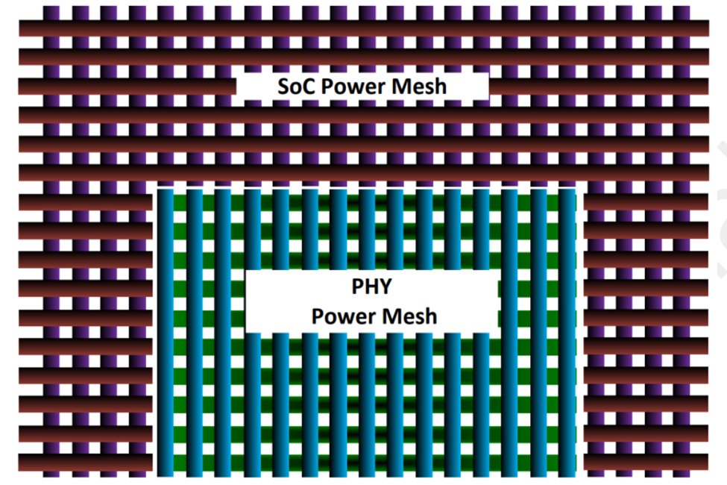 In order to prevent power supply noise which induces jitter on the TX and RX waveforms, rs_etphy5000r_ln05lpe's power and ground should be isolated from those of the SoC as illustrated below | Not yet |  |  | Not yet
 | ESD Protection (I/O Information) | Refer to the check method | The rs_etphy5000r_ln05lpe Hard Macro includes primary ESD protection devices for all signal pads and all power supplies in the PHY. Internal ESD protection devices are not required to be connected to any power pin of SoC. | Not yet |  |  | Not yet
 | ESD Protection (CDM Diode insertion) | Refer to the check method | All connection between the PHY and SoC requires ESD protection using CDM diodes. All input ports of rs_etphy5000r_ln05lpe have internal CDM diodes but all output ports do not have the diodes. Therefore, all input ports of SoC, which are connected to rs_etphy5000r_ln05lpe's output, must have CDM diode. | Not yet |  |  | Not yet
 | ESD Protection (Back to Back diode connection) | Refer to the check method | In order to prevent CDM damage between rs_etphy5000r_ln05lpe and SoC power supplies, back-to-back diodes are inserted in the PHY. The "vsscore(Vbb)" ports on rs_etphy5000r_ln05lpe should be strongly connected to SoC grounds as illustrated in Figure 4. Thicker metal layers like Kx or Gx with enough number of vias are highly recommended for the "vsscore(Vbb)" routing. | Not yet |  |  | Not yet
 | IP Placement | Is minimum distance between IP and the other glue logic to ensure no DRC violation secured? What is the distance between IP and noisy or high power consuming IPs (e.g. DDRPHY)? | -. IP Layout guide does not limit minimum space between IP and the ohter glue logic. however, DRC rule should not be violated. 5-um space is recommended for DRC rule. Space between IP and the noisy IO output buffer(for example DDR PHY) is important. Place the noisy output pad as far as possible from IP. Please specify the distance or attach a captured image | Not yet |  |  | Not yet
 | IP Placement | Routing guide at IP Side | There are signals and powers at IP side. signal or power routing with these ports is not allowed except the I/O ring. | Not yet |  |  | Not yet
Verification check | Device List check | Check if all devices in IP are available in the product. | Please check device list with this method in below. - In IP BE-Common, LVS report(lvsprt_ca.lvs) file includes IP device list. Product designer should check if all of the devices are available in the product. If there is an issue, please contact IP designer. - Product designer share the device list of product, then IP designer would check it. | Not yet |  |  | Not yet
Off-Chip | Package Ground Plane Merge | Is the ground of the IP merged with ground plane of SOC in package level? | Please review the ground ball name in ball map and where the merging point is and attach the confirm material | Not yet |  |  | Not yet
 | Supply constraints | package's power configuration for IP | Package should be designed to dedicate a plane for vssa. It is also recommended to have a dedicated plane for vdda_d (also known as dirty supply) to minimize the package inductance; while vdda_c (also known as clean supply) may not have dedicated plane but must have spate ball out. The vddh_ln and vddh_cmn can be shorted in dedicated vddh (1.8V) plane but it is recommended to have multiple ball outs for this domain. | Not yet |  |  | Not yet
 | Package Sign-Off | Is the package sign-off confirmed by DT(Design technology) and package team? | Please review and attach the results | Not yet |  |  | Not yet
 | Ballmap | Are ballmaps for IP reviewed with IP designer? If there is an fixed signal order of connector, are signal balls correctly placed? | rs_etphy5000r_ln05lpe is designed to support only flip chip package, but not wire-bond type. Figure 2 illustrates the bump placement. No bump is required to be added in SoC. The bump size is 71um, and the minimum bump pitch is 150um in the below bump map. pls refer to the 1.3.2 bump map (rs_etphy500r_ln05lpe_userguide) Please attach ball-maps and review confirmation emails from IP designer. If that IP use connector, please fill in signal order of connector | Not yet |  |  | Not yet

1. Power sequence
POWER UP & Initialization

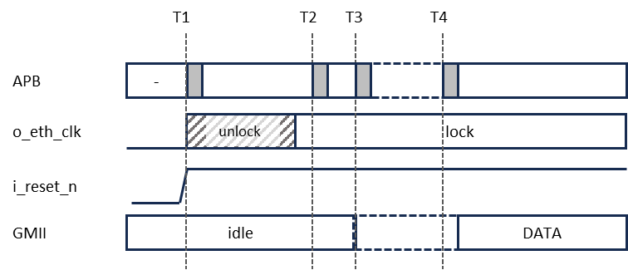

Power up the VDD/VDIG/VDDT before VDDH.

T1: Assert reset(i_reset_n) And configure the initial setting of PCS and PMA
T2: After the clock lock is completed, configure PCS and PMA to start.
T3: If Auto Negotiation is enabled at T1, Check the the “an_complete” flag by polling the apb or using an interrupt.
T4: If Auto Negotiation is enabled at T1, Reconfigure the speed according to the AN results

POWER DOWN SEQUENCE

The power supplies of VDD/VDIG/VDDT/VDDH may be powered down in any order.

